Pink Platinum and Ixtreme
Pink Platinum and Ixtreme
Windbreakers
PP42954
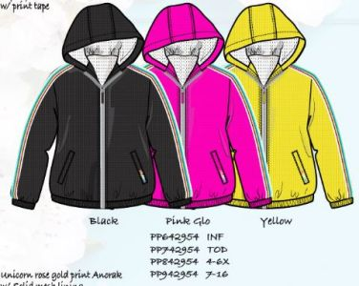
 | Style | Size | Color | # Units | MSRP:

 | PP742954-BLK | 2-4TG | BLACK | 438 | $60.00

 | PP742954-PGL | 2-4TG | PINK GLO | 120

 | PP742954-YLW | 2-4TG | YELLOW | 108

 | PP842954-PGL | 4-6X | PINK GLO | 156 | $65.00

 | PP842954-YLW | 4-6X | YELLOW | 96

 |  |  | Total | 918
PP62164
 | Style | Size | Color | # Units | MSRP:
 | PP662164-DVP | 12-24M | DIVA PINK | 600 | $60.00

 | PP662164-FCR | 12-24M | FIERY CORAL | 450

 | PP662164-KOP | 12-24M | KNOCKOUT PINK | 468

 | PP662164-SFC | 12-24M | SOFT CORAL | 408

 | PP762164-DVP | 2T-4T | DIVA PINK | 1,128

 | PP762164-FCR | 2T-4T | FIERY CORAL | 630

 | PP762164-KOP | 2T-4T | KNOCKOUT PINK | 1,200

 | PP762164-SFC* | 2T-4T | SOFT CORAL | 864

 | PP862164-FCR | 4-6X | FIERY CORAL | 24 | $65.00

 | PP962164-FCR | 7/8,10/12,14/16 | FIERY CORAL | 24

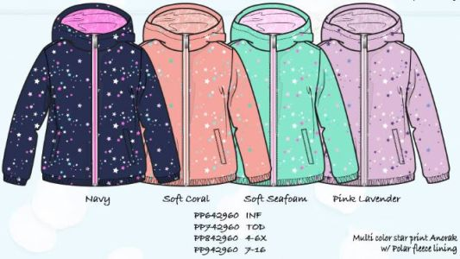
 |  |  | Total | 5,796
PP42960
 | Style | Size | Color | # Units | MSRP:
 | PP642960-NVY | 12-24M GIRLS | NAVY | 60 | $60.00

 | PP742960-NVY | 2-4TG | NAVY | 630

 | PP742960-PNL | 2-4TG | PINK LAVENDER | 48

 | PP742960-SFC | 2-4TG | SOFT CORAL | 228

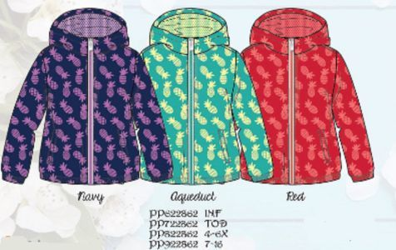
 |  |  | Total | 978
PP22862
 | Style | Size | Color | # Units | MSRP:

 | PP822862-NVY | 4-6X | NAVY | 444 | $65.00

 | PP822862-RED | 4-6X | RED | 162

 |  |  | Total | 612

IX62847

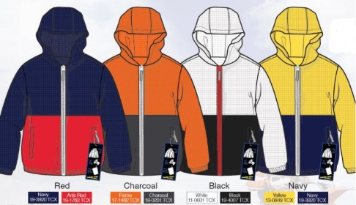
 | Style | Size | Color | # Units | MSRP:
 | IX662847-BLK | 12M-24M | BLACK | 600 | $60.00

 | IX662847-CCL | 12M-24M | CHARCOAL | 552

 | IX662847-NVY | 12M-24M | NAVY | 606

 | IX662847-RED | 12M-24M | RED | 504

 | IX762847-BLK | 2T-4T | BLACK | 1,200

 | IX762847-CCL | 2T-4T | CHARCOAL | 1,056

 | IX762847-NVY | 2T-4T | NAVY | 1,254

 | IX762847-RED | 2T-4T | RED | 906

 | IX862847-BLK | 4-7 | BLACK | 1,404 | $65.00

 | IX862847-CCL | 4-7 | CHARCOAL | 1,044

 | IX862847-NVY | 4-7 | NAVY | 1,428

 | IX862847-RED | 4-7 | RED | 1,218

 | IX962847-BLK | 8-18 | BLACK | 1,404

 | IX962847-CCL | 8-18 | CHARCOAL | 1,068

 | IX962847-NVY | 8-18 | NAVY | 2,124

 | IX962847-RED | 8-18 | RED | 2,052

 |  |  | Total | 18,420

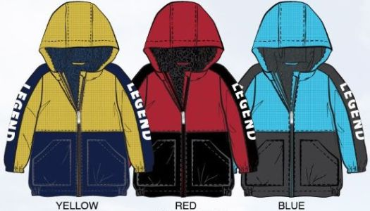
IX45675
 | Style | Size | Color | # Units | MSRP:

 | IX845675-RED | 4-7 | RED | 162 | $65.00

 |  |  | Total | 162

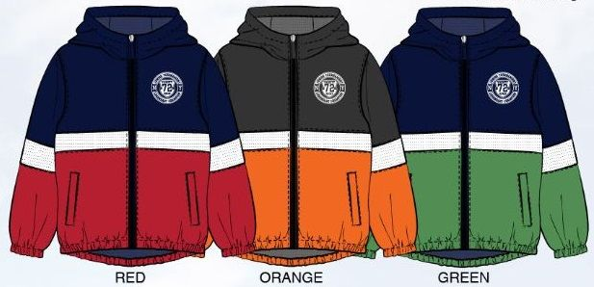
IX45681
 | Style | Size | Color | # Units | MSRP:

 | IX845681-GRN | 4-7 | GREEN | 336 | $65.00

 |  |  | Total | 336

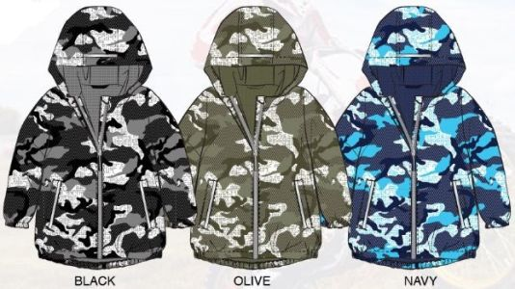
IX45689
 | Style | Size | Color | # Units | MSRP:
 | IX945689-NVY | 8-18 | NAVY | 474 | $65.00

 |  |  | Total | 474

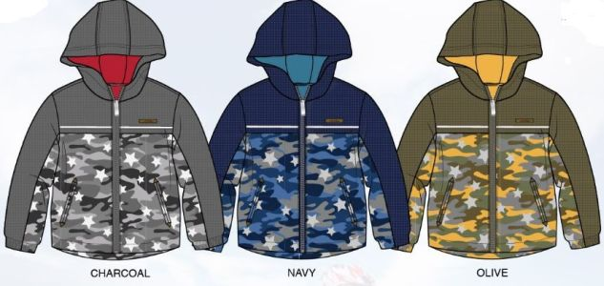
IX45677
 | Style | Size | Color | # Units | MSRP:

 | IX845677-OLV | 4-7 | OLIVE | 378 | $65.00

 |  |  | Total | 378
Fleece
PP53084
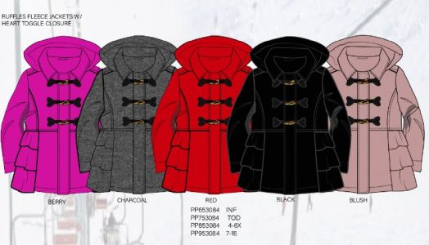
 | Style | Size | Color | # Units | MSRP:
 | PP853084-BLK | 4-6X | BLACK | 660 | $75.00

 | PP853084-BRY | 4-6X | BERRY | 360

 | PP953084-BRY | 7/8,10/12,14/16 | BERRY | 588

 |  |  | Total | 1,608

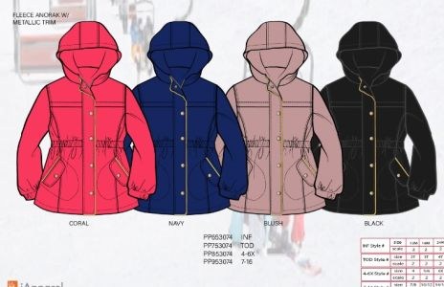
PP53074
 | Style | Size | Color | # Units | MSRP:
 | PP853074-NVY | 4-6X | NAVY | 654 | $75.00

 |  |  | Total | 654

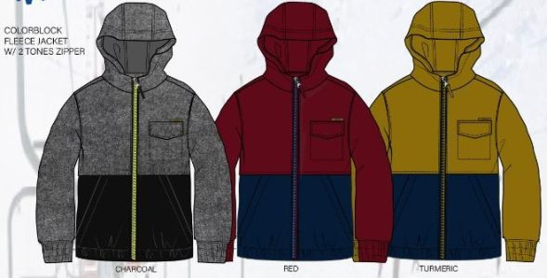
IX53787
 | Style | Size | Color | # Units | MSRP:
 | IX653787-CCL | 12M-24M | CHARCOAL | 558 | $60.00

 | IX653787-RED | 12M-24M | RED | 522

 | IX653787-TME | 12M-24M | TURMERIC | 923

 | IX853787-RED | 4-7 | RED | 173 | $65.00

 | IX953787-CCL | 8-18 | CHARCOAL | 6

 | IX953787-RED | 8-18 | RED | 570

 | IX953787-TME | 8-18 | TURMERIC | 1,224

 |  |  | Total | 3,976
IX53777
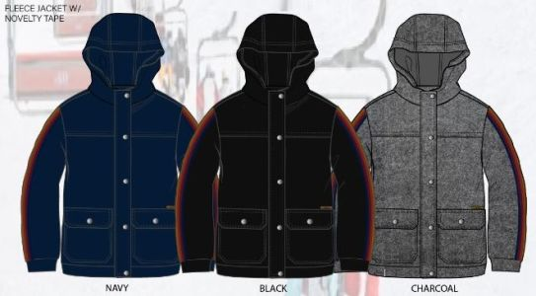
 | Style | Size | Color | # Units | MSRP:
 | IX753777-BLK | 2T,3T,4T | BLACK | 581 | $60.00

 | IX753777-CCL | 2T,3T,4T | CHARCOAL | 888

 | IX753777-NVY | 2T,3T,4T | NAVY | 402

 | IX853777-BLK | 4-7 | BLACK | 720 | $65.00

 | IX853777-CCL | 4-7 | CHARCOAL | 1,002

 | IX853777-NVY | 4-7 | NAVY | 564

 | IX953777-BLK | 8-18 | BLACK | 1,530

 | IX953777-CCL | 8-18 | CHARCOAL | 1,134

 | IX953777-NVY | 8-18 | NAVY | 876

 |  |  | Total | 7,697
Puffer Vest w/Fleece Hood and Sleeve
PP53026
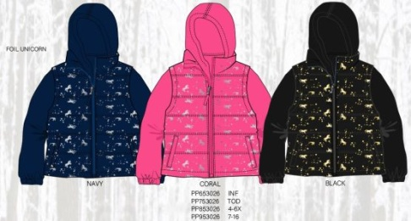
 | Style | Size | Color | # Units | MSRP:
 | PP653026-CRL | 12-24M GIRLS | CORAL | 180 | $80.00

 |  |  | Total | 180

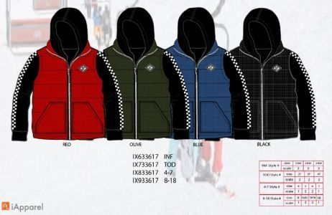
IX33617
 | Style | Size | Color | # Units | MSRP:
 | IX633617-BLK | 12M-24M | BLACK | 432 | $80.00

 |  |  | Total | 432

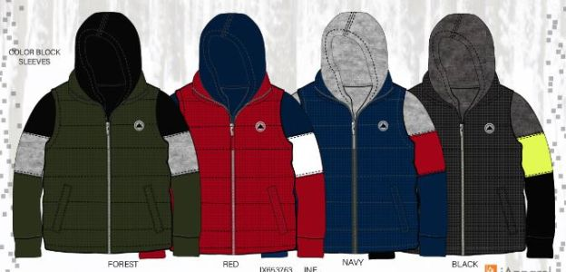
IX53763
 | Style | Size | Color | # Units | MSRP:
 | IX853763-BLK* | 4-7 | BLACK | 1,080 | $80.00

 | IX853763-FOR | 4-7 | FOREST | 846

 | IX853763-NVY* | 4-7 | NAVY | 990

 | IX853763-RED* | 4-7 | RED | 444

 | IX953763-FOR | 8-18 | FOREST | 263

 | IX953763-NVY* | 8-18 | NAVY | 246

 | IX953763-RED* | 8-18 | RED | 702

 |  |  | Total | 4,571
Puffer Jackets
PP34866
 | Style | Size | Color | # Units | MSRP:
 | PP634866-PER | 12-24M GIRLS | PERIWINKLE | 282 | $90.00

 |  |  | Total | 282
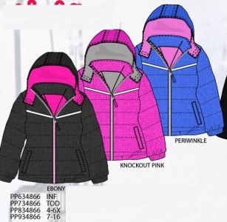
PP34864
 | Style | Size | Color | # Units | MSRP:
 | PP634864-NVY | 12-24M GIRLS | NAVY | 516 | $90.00

 |  |  | Total | 516
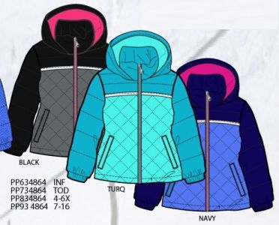
PP34868
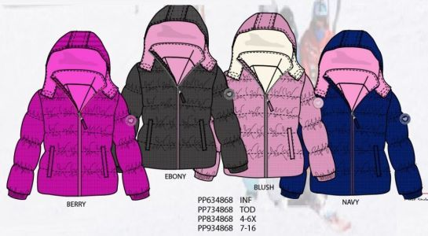
 | Style | Size | Color | # Units | MSRP:
 | PP634868-NVY | 12-24M GIRLS | NAVY | 270 | $90.00

 |  |  | Total | 270

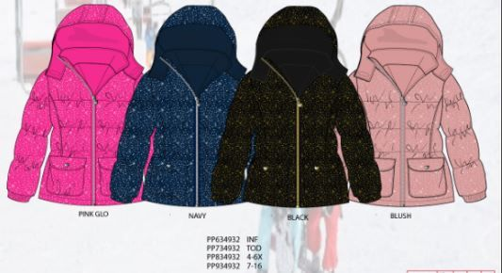
PP34932
 | Style | Size | Color | # Units | MSRP:
 | PP634932-BLK | 12-24M GIRLS | BLACK | 468 | $90.00

 | PP634932-NVY | 12-24M GIRLS | NAVY | 234

 |  |  | Total | 702

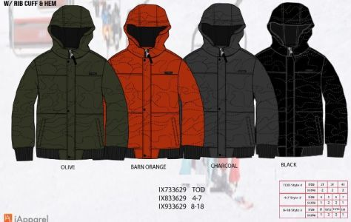
IX33629
 | Style | Size | Color | # Units | MSRP:
 | IX933629-OLV | 8-18 | OLIVE | 738 | $90.00

 |  |  | Total | 738

IX34603
 | Style | Size | Color | # Units | MSRP:
 | IX634603-BOG | 12M-24M | BARN ORANGE | 324 | $90.00

 | IX634603-CCL | 12M-24M | CHARCOAL | 36

 |  |  | Total | 360

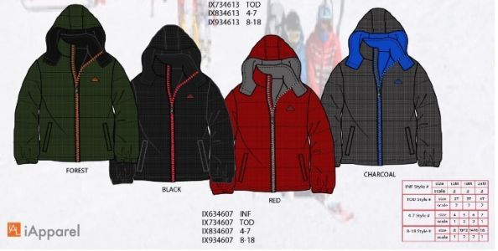
IX34607
 | Style | Size | Color | # Units | MSRP:
 | IX634607-BLK | 12M-24M | BLACK | 216 | $90.00

 | IX634607-FOR | 12M-24M | FOREST | 30

 |  |  | Total | 246

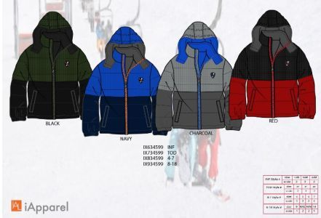
IX34599
 | Style | Size | Color | # Units | MSRP:
 | IX634599-BLK | 12M-24M | BLACK | 138 | $90.00

 |  |  | Total | 138

Wippette
Wippette
Prams
WG56478
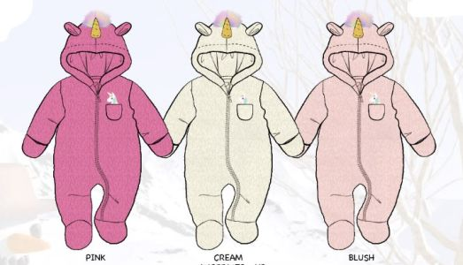
 | Style | Size | Color | ATS | MSRP:
 | WG556478-BLH | 3/6M-6/9M GIRLS | BLUSH | 2,340 | $75.00

 | WG556478-CRM | 3/6M-6/9M GIRLS | CREAM | 984

 | WG556478-PNK | 3/6M-6/9M GIRLS | PINK | 707

 |  |  | Total | 4,031

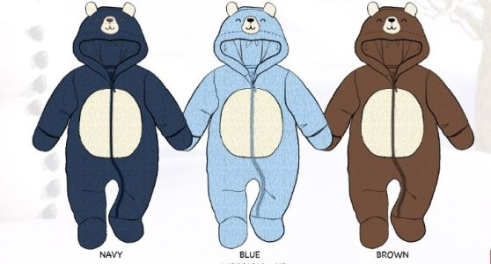
WB56315
 | Style | Size | Color | ATS | MSRP:
 | WB556315-BLU | 3/6M-6/9M BOYS | BLUE | 581 | $75.00

 |  |  | Total | 581

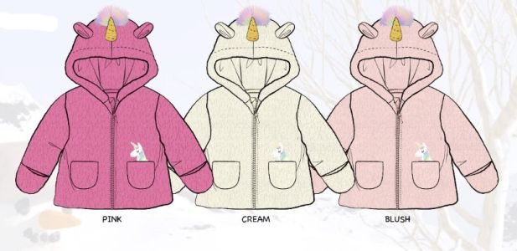
Fur Jackets
WG51480
 | Style | Size | Color | ATS | MSRP:
 | WG551480-BLH | 3/6M-6/9M GIRLS | BLUSH | 1,284 | $60.00

 | WG551480-CRM* | 3/6M-6/9M GIRLS | CREAM | 323

 | WG551480-PNK | 3/6M-6/9M GIRLS | PINK | 282

 | WG651480-BLH | 9M-18M GIRLS | BLUSH | 2,861

 | WG651480-CRM | 9M-18M GIRLS | CREAM | 816

 | WG651480-PNK | 9M-18M GIRLS | PINK | 876

 |  |  | Total | 6,442
WB51317
 | Style | Size | Color | ATS | MSRP:
 | WB551317-BRN | 3/6M-6/9M BOYS | BROWN | 42 | $60.00

 | WB651317-BLU | 9M-18M BOYS | BLUE | 1,310

 | WB651317-BRN | 9M-18M BOYS | BROWN | 443

 |  |  | Total | 1,795
All Weather Anorak
WB32261
 | Style | Size | Color | ATS | MSRP:
 | WB832261-CCL | 4-7 | CHARCOAL | 1,434 | $75.00

 | WB832261-NVY | 4-7 | NAVY | 1,410

 | WB832261-RED | 4-7 | RED | 702

 |  |  | Total | 3,546

Big Chill
Big Chill
Wubby Jacket
BB31257
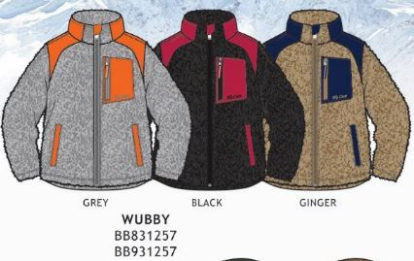
 | Style | Size | Color | # Units | MSRP:
 | BB931257-GNG | 8-18 | GINGER | 569 | $75.00

 |  |  | Total | 569

Down Blend Puffer
BG33542
 | Style | Size | Color | # Units | MSRP:
 |  |  |  |  | $90.00

 | BG933542-CAC | 7/8,10/12,14/16 | CALYPSO CORAL | 180

 | BG933542-DSA | 7/8,10/12,14/16 | DARK SAGE | 672

 | BG933542-NVY | 7/8,10/12,14/16 | NAVY | 150

 |  |  | Total | 1,002
BB33261
 | Style | Size | Color | # Units | MSRP:
 | BB833261-ERM | 4-7 | ERMINE | 222 | $90.00

 | BB833261-FOR | 4-7 | FOREST | 60

 |  |  | Total | 282

Limited Too
Limited Too
Windbreakers
LT22574
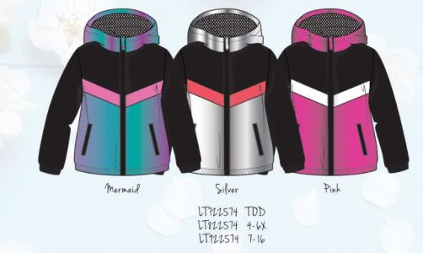
 | Style | Size | Color | # Units | MSRP:
 | LT722574-PNK | 2-4TG | PINK | 216 | $80.00

 | LT822574-MER | 4-6X | MERMAID | 318

 | LT822574-PNK | 4-6X | PINK | 804

 | LT822574-SLV | 4-6X | SILVER | 1,272

 |  |  | Total | 2,610

LT22576
 | Style | Size | Color | # Units | MSRP:
 | LT722576-SLV | 2-4TG | SILVER | 90 | $80.00

 | LT822576-SLV | 4-6X | SILVER | 186

 | LT822576-WHT | 4-6X | WHITE | 426

 |  |  | Total | 702
Anoraks
LT22570
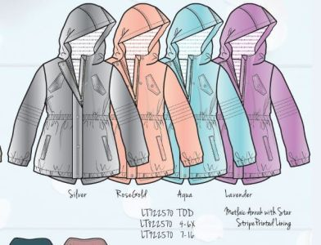
 | Style | Size | Color | # Units | MSRP:
 | LT722570-AQU | 2-4TG | AQUA | 696 | $80.00

 | LT722570-LAV | 2-4TG | LAVENDER | 360

 | LT722570-RSG | 2-4TG | ROSE GOLD | 120

 | LT822570-AQU | 4-6X | AQUA | 1,110

 | LT822570-RSG | 4-6X | ROSE GOLD | 474

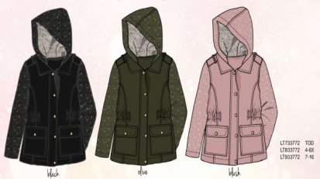
 |  |  | Total | 2,760
LT33772
 | Style | Size | Color | # Units | MSRP:
 | LT733772-BLK | 2-4TG | BLACK | 258 | $75.00

 |  |  | Total | 258

Metallic PU Moto
LT33788
 | Style | Size | Color | # Units | MSRP:
 | LT833788-MTE | 4-6X | METALLIC TEAL | 1,098 | $75.00

 | LT933788-MTE | 7/8,10/12,14/16 | METALLIC TEAL | 666

 |  |  | Total | 1,764
Structured Fleece
LT31752
 | Style | Size | Color | # Units | MSRP:
 | LT831752-BLK | 4-6X | BLACK | 726 | $80.00

 | LT831752-CHT | 4-6X | CHARCOAL HEATHER | 958

 | LT831752-RED | 4-6X | RED | 750

 | LT831752-SKL | 4-6X | SKYLIGHT BLUE | 1,020

 | LT931752-BLK | 7/8,10/12,14/16 | BLACK | 594

 | LT931752-CHT | 7/8,10/12,14/16 | CHARCOAL HEATHER | 1,116

 | LT931752-RED | 7/8,10/12,14/16 | RED | 953

 | LT931752-SKL | 7/8,10/12,14/16 | SKYLIGHT BLUE | 1,061

 |  |  | Total | 7,178
LT33770
 | Style | Size | Color | # Units | MSRP:
 | LT833770-BLK | 4-6X | BLACK | 108 | $80.00

 |  |  | Total | 108
Quilted Jacket w/PU Sleeve
LT33774
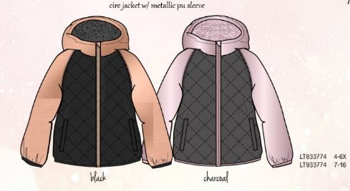
 | Style | Size | Color | # Units | MSRP:
 | LT833774-BLK | 4-6X | BLACK | 270 | $90.00

 | LT833774-CCL | 4-6X | CHARCOAL | 366

 |  |  | Total | 636

